Sheet1
 |  | Document No. | Issue No. | Issue Date |  |  | Review and Replace Date |  | Authorised By
 |  | GFF539MC | 1 | 16.09.2025 |  |  | New doc |  | Magda Shah
 |  | Document Title | Free Sample- Vegetable Samosa & Onion Bhaji 55g
Document amendments reason for change |  | New doc |  |  | Page 1 of 1 |  | Previous Issue Date | New doc | Uncontrolled copy unless signed original

CVSOBSL-G48T | GAZEBO DELI - BOOTHS |  |  |  | Free Sample- Vegetable Samosa & Onion Bhaji 55g
STEP 1 |  |  |  |  |  | STEP 2
 |  |  |  |  |  | 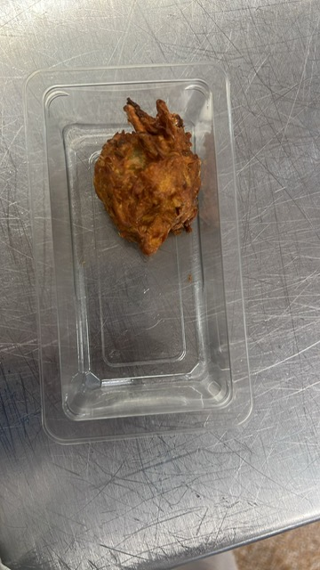
Tray: Single Cavity /F145 (PKLEE001-05) Film: K-peel 7G+25A/f-275mm (PKKMP001-03) |  |  |  |  |  | Onion Bhaji Cocktail- GFF121R- 30G
STEP 3 |  |  |  |  |  | STEP 4

Vegetable Samosa Cocktail- GFF003R: 25G |  |  |  |  |  | Vegetable Samosa & Onion Bhaji : 55g |  |  | Total Weight: 55g

ALLERGY ALERT: Wheat

